1.b Sample (Return and Risk)
 |  | Table 1.b.1 |  |  |  |  |  |  |  |  |  |  | Complete all three tables
 | monthly rate of return | S11 | S12 | S21 | S22 | S31 | S32 | S41 | S42 | S51 | S52
 |  | 1 | 2 | 3 | 4 | 5 | 6 | 7 | 8 | 9 | 10 |  | Table 1.b.2
 | Date | Monthly rate of return of Pro Medicus Limited | monthly return of Cochlear | Monthly rate of return of Stockland Group | monthly return of Goodman group (ASX.GMG) | Monthly rate of return of Telstra Group Limited | monthly return of CAR Group | monthly return of Commonwealth Bank (ASX.CBA) | monthly return of ANZ Group Holdings Limited (ASX.ANZ) | monthly return of Origin Energy limited (ASX.ORG) | monthly return of Woodside Energy Group Private Limited (ASX.WDS) | Symbol | Company | Sector | Sector code | Sector code for chosen assets | Average monthly return | Std Deviation | Risk Category (R1 / R2 /R3/R4)
 | Code | (ASX:PME) | (ASX:COH) | (ASX:SGP) | (ASX:GMG) | (ASX:TLS) | (ASX:CAR) | (ASX:CBA) | (ASX:ANZ) | (ASX:ORG) | (ASX:WDS) | (ASX:PME) | Pro Medicus Limited | Healthcare | S1 | S11 | 3.58% | 11.24% | R4
0 | 44562 |  |  |  |  |  |  |  |  |  |  | (ASX:COH) | Cochlear |  |  | S12 | 0.97% | 7.44% | R3
1 | 44593 | 3.61% | 15.76% | 2.97% | -4.14% | 1.02% | -6.99% | -0.30% | -1.96% | 1.42% | 13.84% | (ASX:SGP) | Stockland Group | Real Estate | S2 | S21 | 0.82% | 6.76% | R2
2 | 44621 | 4.84% | 1.09% | 2.64% | 2.97% | 0.00% | 2.05% | 13.17% | 6.11% | 9.30% | 12.47% | (ASX:GMG) | Goodman group |  |  | S22 | 0.95% | 8.55% | R4
3 | 44652 | -3.08% | 2.84% | -2.58% | 4.76% | 2.02% | 2.20% | -1.79% | -1.09% | 9.79% | -2.96% | (ASX:TLS) | Telstra Group Limited | Communication services | S3 | S31 | 0.50% | 3.11% | R1
4 | 44682 | -11.27% | -3.78% | -3.85% | -14.30% | -3.96% | -4.12% | 0.46% | -8.28% | 0.15% | -4.46% | (ASX:CAR) | CAR Group |  |  | S32 | 0.79% | 8.07% | R3
5 | 44713 | 0.28% | -10.88% | -9.75% | -13.19% | -0.77% | -10.29% | -13.40% | -12.02% | -16.35% | 6.99% | (ASX:CBA) | Commonwealth Bank | Financial Services | S4 | S41 | 1.17% | 6.34% | R2
6 | 44743 | 17.25% | 7.82% | 6.65% | 16.03% | 1.04% | 12.29% | 11.50% | 3.95% | 3.66% | 0.44% | (ASX:ANZ) | ANZ Group Holdings Limited |  |  | S42 | 0.81% | 5.20% | R1
7 | 44774 | 9.97% | 0.03% | -5.97% | -4.98% | 2.06% | 9.44% | -3.27% | -0.31% | 6.23% | 7.10% | (ASX:ORG) | Origin Energy limited | Energy Sector | S5 | S51 | 1.87% | 8.33% | R3
8 | 44805 | -7.87% | -9.22% | -9.67% | -19.78% | -3.02% | -16.77% | -6.95% | -0.13% | -18.07% | -7.56% | (ASX:WDS) | Woodside Energy Group Private Limited |  |  | S52 | 0.23% | 6.51% | R2
9 | 44835 | 11.22% | 2.66% | 10.09% | 7.73% | 1.82% | 8.03% | 15.41% | 12.11% | 7.74% | 13.64%
10 | 44866 | 6.49% | 7.18% | 5.56% | 12.47% | 1.53% | 12.40% | 3.04% | -3.21% | 41.11% | 3.64%
11 | 44896 | -7.03% | -4.63% | -4.47% | -9.21% | 0.25% | -9.11% | -4.88% | -4.37% | -1.78% | -4.96% |  | Table 1.b.3 | use "X" in the appropriate box to indicate the sector category and the risk category
12 | 44927 | 20.97% | 4.08% | 8.26% | 15.03% | 2.26% | 9.30% | 7.27% | 6.04% | -3.24% | 2.31% |  | Health Care S1 |  | Real Estate |  | Comm. Services S3 |  | Financial. Ser S4 |  | Energy Sector S5
13 | 44958 | -8.74% | 4.60% | -2.29% | -0.55% | 1.96% | 0.00% | -8.51% | -1.75% | 7.23% | -0.97% |  | S11 | S12 | S21 | S22 | S31 | S32 | S41 | S42 | S51 | S52 | Total
14 | 44986 | 4.69% | 6.51% | 3.65% | -5.39% | 1.44% | -2.47% | -2.35% | -6.98% | 3.50% | -7.16% | R1 |  |  |  |  | X |  |  | X |  |  | 2
15 | 45017 | -3.80% | 4.20% | 11.81% | 2.77% | 3.55% | 7.37% | 1.06% | 6.19% | 0.60% | 1.02% | R2 |  |  | X |  |  |  | X |  |  | X | 3
16 | 45047 | -3.40% | -1.31% | -4.27% | 1.66% | -0.23% | -2.23% | -2.60% | -5.87% | -0.12% | 1.84% | R3 |  | X |  |  |  | X |  |  | X |  | 3
17 | 45078 | 10.60% | -5.89% | -5.40% | 2.24% | -1.38% | 2.54% | 3.61% | 3.45% | 0.96% | 0.41% | R4 | X |  |  | X |  |  |  |  |  |  | 2
18 | 45108 | 4.80% | 4.41% | 4.71% | 2.34% | -0.93% | 4.37% | 5.43% | 8.60% | 0.71% | 10.31%
19 | 45139 | 6.59% | 13.51% | 0.47% | 13.73% | -5.87% | 15.61% | -3.34% | -1.63% | 2.83% | -2.55%
20 | 45170 | 13.73% | -5.96% | -7.55% | -8.18% | -3.99% | -2.78% | -2.16% | 1.30% | 0.80% | -1.43%
21 | 45200 | -10.61% | -5.67% | -9.69% | -3.31% | -1.04% | -1.11% | -3.41% | -3.70% | 3.99% | -6.11%
22 | 45231 | 18.61% | 13.37% | 16.67% | 9.69% | 0.26% | 0.54% | 8.39% | -1.38% | -9.75% | -9.52%
23 | 45261 | 8.39% | 9.39% | 7.75% | 11.21% | 3.66% | 12.10% | 6.82% | 6.36% | 2.79% | 0.19%
24 | 45292 | 5.98% | 1.95% | 2.47% | 1.19% | 2.02% | 6.01% | 5.13% | 4.94% | 0.59% | 4.35%
25 | 45323 | 2.23% | 15.01% | -1.54% | 16.80% | -5.45% | 11.36% | -0.95% | 4.60% | 5.52% | -6.33%
26 | 45352 | -0.07% | -3.61% | 8.02% | 13.08% | 1.05% | -1.85% | 3.38% | 3.34% | 2.34% | 0.46%
27 | 45383 | 7.38% | -3.68% | -8.25% | -6.27% | -4.92% | -6.24% | -4.82% | -4.22% | 5.98% | -7.44%
28 | 45413 | 7.82% | -0.78% | 1.12% | 5.77% | -5.45% | 3.13% | 4.37% | 0.32% | 4.51% | -1.88%
29 | 45444 | 19.26% | 2.97% | -7.33% | 3.67% | 4.32% | 1.03% | 6.56% | -0.04% | 6.58% | 1.84%
30 | 45474 | 0.35% | 3.87% | 10.31% | 1.01% | 8.84% | -1.13% | 7.94% | 2.87% | -3.41% | -2.16%
31 | 45505 | 4.83% | -12.94% | 9.13% | -4.84% | -0.25% | 8.64% | 1.46% | 4.65% | -5.05% | -1.49%
Risk Classification Methodology
The risk of each asset was measured using the standard deviation of its 48 monthly returns (January 2022 – January 2026). Standard deviation captures the volatility of an asset's returns — higher standard deviation means greater uncertainty and therefore higher risk.
To classify the 10 assets into four risk groups, the range of observed standard deviations was examined:
Minimum: TLS at 3.11%
Maximum: PME at 11.24%
Range: 11.24% − 3.11% = 8.13%
The observed range (3.11% to 11.24%) was divided into four bands with boundaries at 5.5%, 7.0%, and 8.5%, ensuring a minimum of two assets per group.
R1 (< 5.5%): TLS, ANZ — stable large-cap defensive stocks
R2 (5.5% – 7.0%): CBA, WDS, SGP — moderate volatility blue-chips
R3 (7.0% – 8.5%): COH, CAR, ORG — moderate-high volatility growth stocks
R4 (> 8.5%): GMG, PME — high-growth stocks with highest volatility
Standard deviation is the most widely used measure of investment risk in portfolio theory (Markowitz, 1952). The boundaries were chosen based on natural gaps in the data distribution:
R1 contains stable, defensive large-cap stocks — a major bank (ANZ) and a telecom utility (TLS)
R2 groups three blue-chip stocks with closely clustered standard deviations between 6.34% and 6.76%
R3 captures three moderate-high volatility stocks spanning medical devices (COH), online classifieds (CAR), and energy (ORG), all within the 7.44%–8.33% range
R4 contains the two most volatile assets — GMG is a high-growth real estate group and PME is a fast-growing health technology company
There is a visible gap between ANZ (5.20%) and CBA (6.34%) supporting the R1/R2 boundary, and between SGP (6.76%) and COH (7.44%) supporting the R2/R3 boundary
32 | 45536 | 18.28% | -6.09% | 4.38% | 10.75% | -1.27% | -1.06% | -2.95% | 0.26% | 0.50% | -7.32%
33 | 45566 | 9.30% | 0.40% | -1.15% | -0.95% | -1.55% | 0.85% | 5.44% | 2.20% | -3.80% | -5.63%
34 | 45597 | 29.29% | 7.42% | 0.77% | 3.47% | 3.14% | 9.85% | 11.09% | 0.06% | 12.88% | 3.07%
35 | 45627 | -0.70% | -4.72% | -8.05% | -5.99% | 1.78% | -13.18% | -3.36% | -8.44% | 0.28% | 0.37%
36 | 45658 | 11.31% | 10.26% | 7.71% | 2.27% | -1.50% | 12.60% | 4.77% | 7.29% | -4.13% | 0.45%
37 | 45689 | -9.03% | -19.01% | -1.55% | -14.10% | 4.81% | -8.55% | -2.38% | -2.71% | 4.69% | 0.24%
38 | 45717 | -21.11% | 1.33% | -3.73% | -9.20% | 1.69% | -15.12% | -3.71% | -2.35% | -3.75% | -6.66%
39 | 45748 | 14.83% | 4.69% | 12.04% | 5.45% | 7.13% | 5.78% | 10.38% | 2.65% | 1.04% | -10.29%
40 | 45778 | 22.93% | -1.13% | -0.55% | 9.81% | 5.99% | 6.75% | 5.61% | -2.75% | 1.69% | 7.28%
41 | 45809 | 1.09% | 10.65% | -1.83% | 4.01% | 1.26% | 5.23% | 5.00% | 0.41% | -0.28% | 6.20%
42 | 45839 | 12.91% | 6.02% | 3.54% | 2.75% | 2.69% | 2.03% | -3.70% | 5.35% | 8.16% | 12.53%
43 | 45870 | -7.17% | -5.33% | 11.71% | -2.36% | -1.61% | 5.92% | -4.28% | 9.60% | 10.71% | -0.68%
44 | 45901 | 3.17% | -7.40% | -1.29% | -4.57% | -1.43% | -9.05% | -2.00% | -1.37% | -3.25% | -12.80%
45 | 45931 | -14.49% | 2.83% | 3.10% | 0.76% | 1.24% | -2.94% | 2.84% | 10.36% | -2.00% | 7.69%
46 | 45962 | 1.11% | -2.82% | -4.60% | -10.14% | 0.82% | -2.61% | -11.15% | -5.48% | -4.65% | 0.52%
47 | 45992 | -17.13% | -6.59% | -4.82% | 4.38% | -1.02% | -11.53% | 5.28% | 4.91% | -1.63% | -5.38%
48 | 46023 | -16.64% | 3.24% | -5.93% | -0.81% | 0.21% | -10.27% | -6.98% | 0.99% | 2.70% | 7.55%
 | Ave. Annual Return Rate | 3.58% | 0.97% | 0.82% | 0.95% | 0.50% | 0.79% | 1.17% | 0.81% | 1.87% | 0.23%
 | std deviation | 11.24% | 7.44% | 6.76% | 8.55% | 3.11% | 8.07% | 6.34% | 5.20% | 8.33% | 6.51%
 |  | R4 | R3 | R2 | R4 | R1 | R3 | R2 | R1 | R3 | R2

2.a. LP Modelling
 | LP Model

NOTES — LP Model Explanation
1. Decision Variables
The decision variables (x₁ to x₁₀) represent the proportion of the total portfolio to be allocated to each of the ten selected ASX-listed stocks. Each variable takes a continuous value between 0 and 1, where 0 means no investment in that stock and 1 means the entire portfolio is invested in that stock. For example, a value of 0.15 means 15% of the total available funds will be invested in that particular stock. The sum of all ten decision variables must equal 1 (100%), ensuring the investor allocates all available funds to the stock market as specified in the investment guidelines.
2. Objective Function
The objective function maximises the expected monthly rate of return of the portfolio. It is calculated as the weighted sum of individual stock returns, where each stock's average monthly return is multiplied by its allocated proportion and then summed across all ten stocks.
Mathematically: Max Z = r₁x₁ + r₂x₂ + r₃x₃ + ... + r₁₀x₁₀
where rᵢ is the average monthly return of stock i and xᵢ is the proportion invested in stock i. The SUMPRODUCT function in Excel performs this calculation. The model uses the Simplex LP solving method as the objective function and all constraints are linear.
3. Constraints Explanation
Constraint 1 — R4 ≤ 10%: This constraint limits the total investment in the highest-risk assets (R4 category: PME and GMG) to a maximum of 10% of the portfolio. PME has a standard deviation of 11.24% and GMG has 8.55%, making them the most volatile stocks in the portfolio. Capping their combined allocation at 10% protects the investor from excessive exposure to high-volatility assets.
Constraints 2, 3, 4 — R1 receives highest allocation: These three constraints together ensure that the total allocation to the lowest-risk group (R1: TLS and ANZ) is greater than or equal to the total allocation in each of the other three risk groups (R2, R3, and R4) individually. This reflects a conservative investment strategy where the majority of funds are directed towards the most stable assets. TLS (std dev 3.11%) and ANZ (std dev 5.20%) are defensive large-cap stocks — a major telecommunications utility and one of Australia's big four banks — providing stability to the portfolio.
Constraints 5 to 9 — Sector minimum allocations: These five constraints ensure diversification across all five industry sectors. Each sector must receive a minimum of 15% of the total portfolio, except the Energy sector (S5) which has a higher minimum of 20%. Energy was chosen for the higher minimum because it contains Origin Energy (ORG), which has the second-highest average monthly return in the portfolio at 1.87%. Allocating a higher minimum to this sector gives the optimisation model more flexibility to allocate funds to a high-returning asset while still maintaining diversification. These sector constraints prevent the portfolio from being overly concentrated in a single industry, reducing industry-specific risk.
Constraint 10 — Total allocation equals 100%: This constraint ensures that all available funds are fully invested in the stock market. The investor has indicated the intention to allocate all funds to equities, so no cash is held in reserve. The sum of all ten decision variables must equal exactly 1 (100%).
Constraint 11 — Custom: R2 ≥ 20%: This custom constraint requires that at least 20% of the portfolio is allocated to moderate-risk assets in the R2 category (SGP, CBA, and WDS). These are established blue-chip companies with standard deviations ranging from 6.34% to 6.76%. Requiring a minimum allocation to this group ensures the portfolio maintains a solid foundation of stable, moderate-volatility investments and prevents the model from concentrating entirely in either very defensive (R1) or very aggressive (R3/R4) positions.
Constraint 12 — Custom: No single stock exceeds 25%: This custom constraint limits the maximum allocation to any individual stock to 25% of the portfolio. This is a concentration limit — a standard risk management practice used by professional fund managers to prevent over-reliance on any single company. Without this constraint, the model would allocate excessively to PME (which has the highest return at 3.58% per month), exposing the portfolio to significant company-specific risk such as adverse earnings reports, regulatory changes, or management issues.
Constraint 13 — Non-negativity: All decision variables must be greater than or equal to zero. This ensures that the portfolio does not engage in short selling — the investor can only purchase stocks, not sell stocks they do not own. This is implemented in Solver by ticking the "Make Unconstrained Variables Non-Negative" option.
4. Solver Setup
The model was solved using Microsoft Excel Solver with the following configuration. The objective cell (SUMPRODUCT of returns and proportions) was set to maximise. The changing variable cells are the ten proportion values. All 13 constraints were added as described above. The Simplex LP method was selected as the appropriate solving method because both the objective function and all constraints are linear — no quadratic or nonlinear terms are present. The "Make Unconstrained Variables Non-Negative" option was ticked to enforce the non-negativity constraint.
5. Results Interpretation
The optimal solution yields a maximum expected monthly portfolio return of 1.37% (approximately 16.44% annualised). The model allocated funds to 7 out of 10 stocks, with three stocks receiving zero allocation (GMG, CAR, and WDS). The highest allocations were given to ORG (25%), CBA (15%), ANZ (15%), TLS (15%), and SGP (15%). Solver concentrated investment in the highest-returning assets (PME at 10% and ORG at 25%) while satisfying all risk and diversification constraints.
Several constraints are binding (active at their limits): the R4 cap is exactly at 10%, the Health Care, Real Estate, and Communication Services sectors are exactly at their 15% minimums, and R1 equals both R2 and R3 at 30% each. This indicates that these constraints are actively limiting the achievable return — if any of them were relaxed, the portfolio return could improve.
The Financials sector received 30% allocation despite only requiring 15%, suggesting Solver found CBA (1.17% return) and ANZ (0.81% return) attractive for return optimisation. The Energy sector received 25% against a 20% minimum, driven by ORG's strong return of 1.87%.
Three stocks were excluded entirely: GMG (0.95% return, R4 risk — limited by the R4 cap), CAR (0.79% return — lower return than alternatives), and WDS (0.23% return — the lowest return in the portfolio, making it unattractive for a return-maximising model).
 | INPUTS
 | Risk category | R4 | R3 | R2 | R4 | R1 | R3 | R2 | R1 | R3 | R2
 | Sector | PME | COH | SGP | GMG | TLS | CAR | CBA | ANZ | ORG | WDS
 | Average rate of return (ri) | 3.5821% | 0.9719% | 0.8221% | 0.9490% | 0.5045% | 0.7919% | 1.1701% | 0.8102% | 1.8694% | 0.2296%
 | Stnd Deviation | 11.2382% | 7.4357% | 6.7590% | 8.5505% | 3.1114% | 8.0667% | 6.3428% | 5.1967% | 8.3256% | 6.5076%

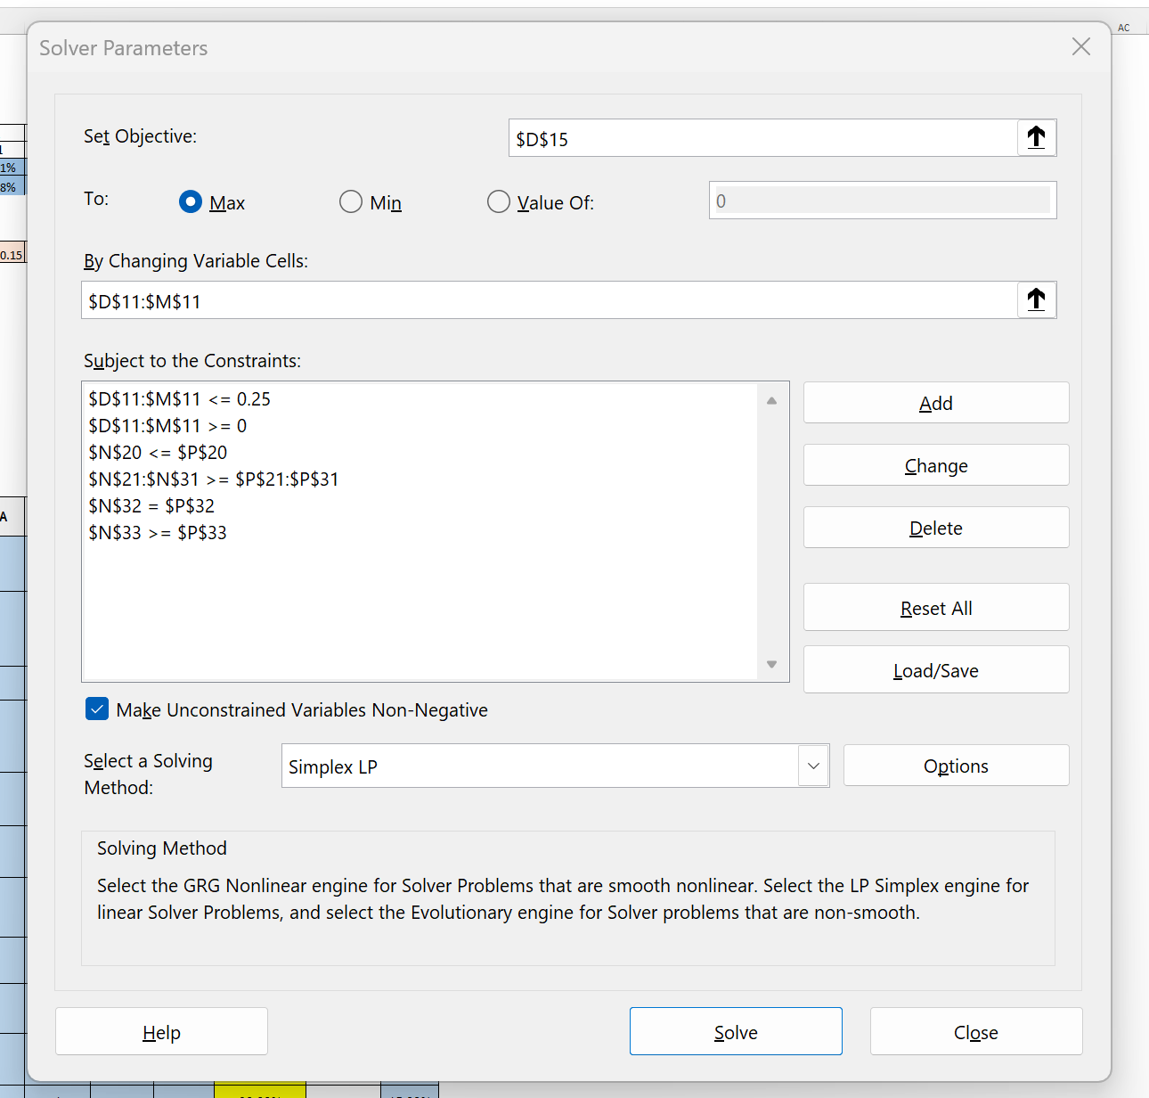
 | DECISION VARIABLES |  |  |  |  |  |  |  |  |  |  | Total allocation
 | Proportion of investment | 0.1 | 0.05 | 0.15 | 0 | 0.15 | 0 | 0.15 | 0.15 | 0.25 | 0 | 1
 | From 0 to 1

 | OBJECTIVE FUNCTION
 | Maxmise the expected rate of return(%) | 1.37%

 | Average expected rate of return | 1.3702%
 |  | R4 | R3 | R2 | R4 | R1 | R3 | R2 | R1 | R3 | R2
 | CONSTRAINTS | PME | COH | SGP | GMG | TLS | CAR | CBA | ANZ | ORG | WDS | LHS | relational operators | RHS
1 | Investment in the highest-risk assets (R4) shouldn't exceed 10% of the portfolio. | 1 |  |  | 1 |  |  |  |  |  |  | 0.1 | <= | 0.1
2 | The lowest-risk assets (R1) should receive the highest allocation of investments compared to the low-moderate risk group (R2). Total investment in R1 must be greater than or equal to total investment in R2. |  |  |  |  | 1 |  |  | 1 |  |  | 0.3 | >= | 0.3
2a | Total investment in the low-moderate risk group (R2), used as the comparison value for constraint 2 above. |  |  | 1 |  |  |  | 1 |  |  | 1 | 0.3 | >= | 0
3 | The lowest-risk assets (R1) should receive the highest allocation of investments compared to the moderate-high risk group (R3). Total investment in R1 must be greater than or equal to total investment in R3. |  |  |  |  | 1 |  |  | 1 |  |  | 0.3 | >= | 0.3
3a | Total investment in the moderate-high risk group (R3), used as the comparison value for constraint 3 above. |  | 1 |  |  |  | 1 |  |  | 1 |  | 0.3 | >= | 0
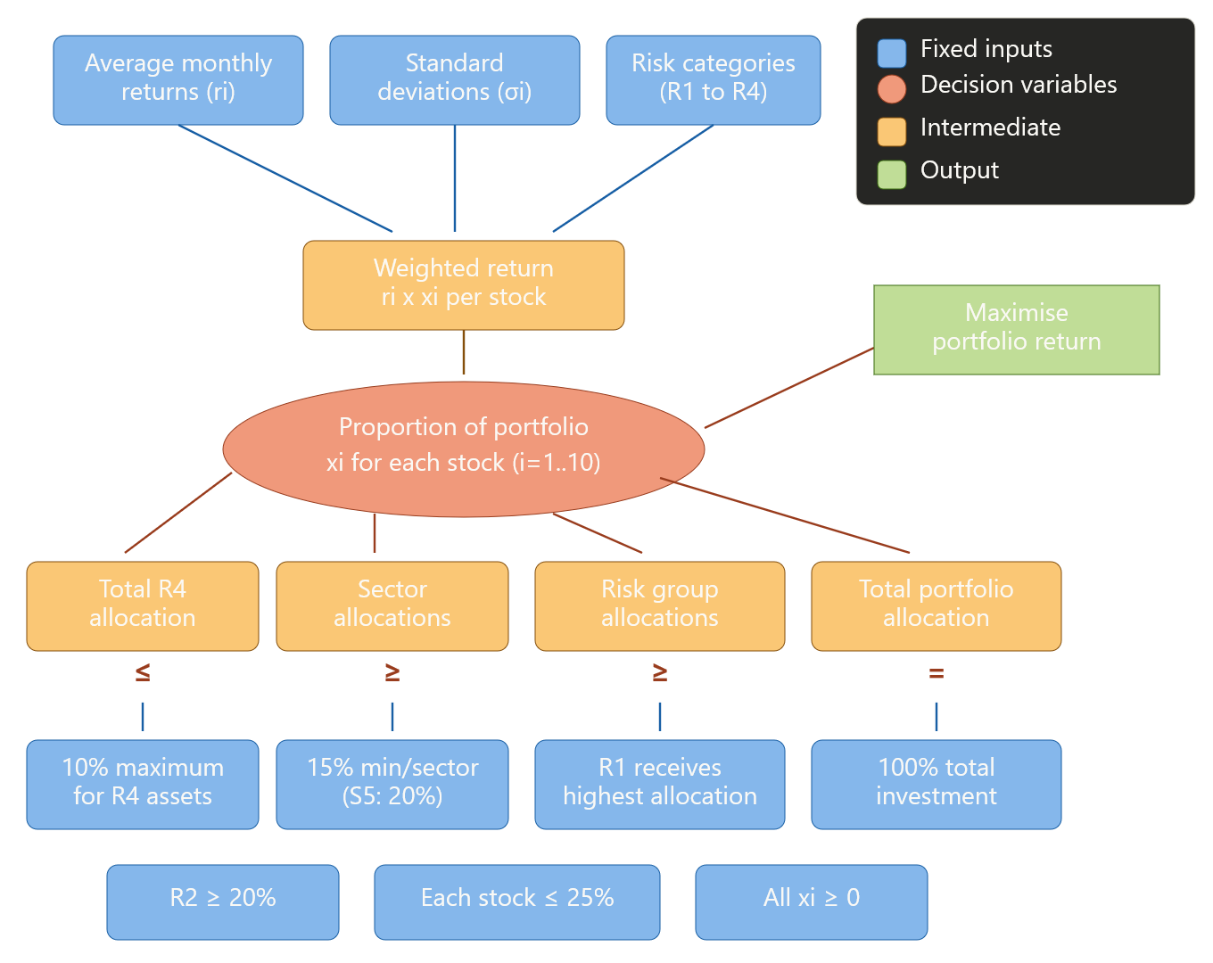
Conceptual Model
4a | The lowest-risk assets (R1) should receive the highest allocation of investments compared to the highest-risk group (R4). Total investment in R1 must be greater than or equal to total investment in R4. |  |  |  |  | 1 |  |  | 1 |  |  | 0.3 | >= | 0.1
4b | Total investment in the highest-risk group (R4), used as the comparison value for constraint 4 above. | 1 |  |  | 1 |  |  |  |  |  |  | 0.1 | >= | 0
5 | To ensure diversification, the Health Care sector (S1) must have a minimum of 15% of the total portfolio invested. | 1 | 1 |  |  |  |  |  |  |  |  | 0.15 | >= | 0.15
6 | To ensure diversification, the Real Estate sector (S2) must have a minimum of 15% of the total portfolio invested. |  |  | 1 | 1 |  |  |  |  |  |  | 0.15 | >= | 0.15
7 | To ensure diversification, the Communication Services sector (S3) must have a minimum of 15% of the total portfolio invested. |  |  |  |  | 1 | 1 |  |  |  |  | 0.15 | >= | 0.15
8 | To ensure diversification, the Financials sector (S4) must have a minimum of 15% of the total portfolio invested. |  |  |  |  |  |  | 1 | 1 |  |  | 0.3 | >= | 0.15
9 | To ensure diversification, the Energy sector (S5) is chosen to have a higher minimum of 20% of the total portfolio invested, as it contains the second-highest returning asset in the portfolio. |  |  |  |  |  |  |  |  | 1 | 1 | 0.25 | >= | 0.2
10 | The total portfolio allocation must equal 100%. The investor intends to allocate all available funds to the stock market, with no funds left uninvested. | 1 | 1 | 1 | 1 | 1 | 1 | 1 | 1 | 1 | 1 | 1 | = | 1
11 | The total allocation to the low-moderate risk group (R2) must be at least 20%, ensuring the portfolio maintains a solid foundation of stable, moderate-volatility investments. |  |  | 1 |  |  |  | 1 |  |  | 1 | 0.3 | >= | 0.2
12 | No single stock should receive more than 25% of the total portfolio. This prevents over-concentration in any individual asset and ensures genuine diversification across all investments. |  |  |  |  |  |  |  |  |  |  | 0 | <= | 0.25
13 | All investment proportions must be greater than or equal to zero. The portfolio does not allow short selling. |  |  |  |  |  |  |  |  |  |  | 0 | >= | 0

3.a ILP modelling
 | ILP model
NOTES — ILP Model Explanation
1. Decision Variables
The decision variables (y₁ to y₁₀) are binary variables that represent whether each stock is included in the portfolio or not. Each variable can only take a value of 0 or 1, where 1 means the stock is selected for investment and 0 means it is excluded. Unlike the LP model where we determined the proportion of investment in each stock, the ILP model determines which stocks to include in the portfolio. The binary nature of the decision variables makes this an Integer Linear Programming problem, as the variables are restricted to whole numbers (integers) rather than continuous values.
2. Objective Function
The objective function maximises the total expected rate of return of the selected portfolio. It is calculated as the sum of the average monthly returns of all selected stocks. Mathematically: Max Z = r₁y₁ + r₂y₂ + r₃y₃ + ... + r₁₀y₁₀, where rᵢ is the average monthly return of stock i and yᵢ is the binary decision variable (0 or 1) for stock i. When yᵢ = 1, the stock's return is included in the total. When yᵢ = 0, the stock's return is excluded. The SUMPRODUCT function in Excel performs this calculation. The average expected rate of return is also calculated by dividing the total return by the number of selected assets (7), giving the average return per selected stock.
3. Constraints Explanation
Constraint 1 — Exactly 7 assets: A balanced portfolio of exactly 7 assets must be chosen from the 10 available stocks. This means 3 stocks will be excluded. Selecting exactly 7 ensures sufficient diversification while allowing the model to exclude the least attractive assets. The sum of all 10 binary decision variables must equal exactly 7.
Constraints 2 to 6 — All five sectors must be included: These five constraints ensure that every industry sector is represented in the final portfolio by requiring at least one stock from each sector to be selected. Since we are selecting 7 out of 10 stocks and there are 5 sectors with 2 stocks each, some sectors will have both stocks selected while others will have only one. The constraints prevent any sector from being completely excluded, ensuring industry diversification. Each constraint sums the binary variables of the two stocks within a sector and requires the total to be at least 1.
Constraint 7 — At most one R4 asset: The total number of selected assets from the highest-risk group (R4) must not exceed 1. R4 contains PME (std dev 11.24%) and GMG (std dev 8.55%), which are the most volatile stocks in the portfolio. Limiting the portfolio to at most one R4 asset reduces exposure to extreme volatility and protects the portfolio from excessive risk. The sum of the binary variables for PME and GMG must be less than or equal to 1.
Constraint 8 — At least two R1 assets: At least two assets from the lowest-risk group (R1) must be selected. R1 contains TLS (Telstra, std dev 3.11%) and ANZ (ANZ Bank, std dev 5.20%), which are stable, defensive large-cap stocks. Since R1 has exactly two stocks, this constraint effectively requires both to be selected, ensuring the portfolio has a strong defensive foundation. The sum of the binary variables for TLS and ANZ must be at least 2.
Constraint 9 — R4 only if R3 is present: An asset from R4 can be selected only if at least one asset from R3 is also selected. This is implemented by requiring the total number of R3 assets selected to be greater than or equal to the total number of R4 assets selected. R3 contains COH (std dev 7.44%), CAR (std dev 8.07%), and ORG (std dev 8.33%). This constraint ensures a gradual transition in risk — the portfolio cannot jump from low-risk assets directly to the highest-risk assets without including moderate-high risk assets as a bridge. If no R3 stock is selected, no R4 stock can be selected either.
Constraint 10 — Custom: At least one R2 asset: At least one asset from the moderate-risk group (R2) must be selected. R2 contains SGP (Stockland, std dev 6.76%), CBA (Commonwealth Bank, std dev 6.34%), and WDS (Woodside Energy, std dev 6.51%). These are established blue-chip companies with moderate volatility. This constraint ensures the portfolio includes stable, moderate-volatility investments and is not composed entirely of low-risk and high-risk extremes. It promotes a balanced risk profile across the portfolio.
Constraint 11 — Custom: R1 + R2 combined ≥ 3: At least 3 assets must come from the two lowest risk groups (R1 and R2) combined. R1 contains TLS and ANZ, while R2 contains SGP, CBA, and WDS. This constraint ensures the portfolio is tilted towards stability, with at least 3 out of 7 selected assets (approximately 43%) having low to moderate volatility. This prevents the model from selecting too many high-risk assets even though they may offer higher returns, maintaining a prudent balance between risk and return.
Constraint 12 — Binary: All decision variables must be either 0 or 1. This is the defining characteristic of the Integer Linear Programming model. Unlike the LP model where variables could take any value between 0 and 1, the ILP model requires a yes/no decision for each stock. This is set in Solver by adding the constraint D10:M10 = bin.
4. Solver Setup
The model was solved using Microsoft Excel Solver with the following configuration. The objective cell (SUMPRODUCT of returns and binary variables) was set to maximise. The changing variable cells are the ten binary decision variables. All 12 constraints were added as described above, with the binary constraint (D10:M10 = bin) being the key difference from the LP model. The Simplex LP method was selected as the solving method, as Excel's Simplex solver handles integer constraints internally.
5. Results Interpretation
The optimal ILP solution selects 7 stocks: PME, COH, SGP, TLS, CBA, ANZ, and ORG. Three stocks were excluded: GMG (0.95% return), CAR (0.79% return), and WDS (0.23% return). The total expected return of the selected portfolio is 9.73%, with an average expected return per asset of 1.39%.
The model selected PME as the only R4 (highest-risk) asset, taking advantage of its exceptional return (3.58%) while respecting the R4 cap of 1. Both R1 assets (TLS and ANZ) were selected as required, providing a defensive foundation. Two R3 assets (COH and ORG) were selected, satisfying the conditional constraint that R3 count must be at least equal to R4 count.
The three excluded stocks — GMG, CAR, and WDS — are the three lowest-returning stocks that were not required to satisfy any binding constraint. GMG was excluded because the R4 cap only allows one R4 asset, and PME has a significantly higher return (3.58% vs 0.95%). CAR was excluded because TLS already satisfies the S3 sector requirement and has a lower return than alternatives. WDS was excluded because ORG already satisfies the S5 sector requirement and WDS has the lowest return in the entire portfolio at 0.23%.
All five sectors are represented in the final portfolio. Health Care (S1) and Financials (S4) have both stocks selected, while Real Estate (S2), Communication Services (S3), and Energy (S5) each have one stock selected. This distribution is driven by the fact that the excluded stocks (GMG, CAR, WDS) each had a counterpart with a higher return already satisfying the sector requirement.
6. Comparison with LP Model
The ILP model takes a fundamentally different approach from the LP model. While the LP model determines the optimal percentage allocation across all 10 stocks, the ILP model determines which 7 stocks to include. The LP model yielded an optimal monthly return of 1.37%, while the ILP model's average return per selected asset is 1.39%. The ILP model excluded the same stocks that received zero allocation in the LP model (GMG, CAR, WDS), suggesting consistency between the two approaches — both models identified these as the least attractive investments in the portfolio.
 | INPUTS
 | Risk category | R4 | R3 | R2 | R4 | R1 | R3 | R2 | R1 | R3 | R2
 | Sector | S11 | S12 | S21 | S22 | S31 | S32 | S41 | S42 | S51 | S52
 | Average rate of return (ri) | 3.5821% | 0.9719% | 0.8221% | 0.9490% | 0.5045% | 0.7919% | 1.1701% | 0.8102% | 1.8694% | 0.2296%
 | Stnd Deviation | 11.2382% | 7.4357% | 6.7590% | 8.5505% | 3.1114% | 8.0667% | 6.3428% | 5.1967% | 8.3256% | 6.5076%

 | DECISION VARIABLES |  |  |  |  |  |  |  |  |  |  | Total allocation
 | Invest? (1=yes, 0=no) | 1 | 1 | 1 | 0 | 1 | 0 | 1 | 1 | 1 | 0 | 7

 | OBJECTIVE FUNCTION
 | Maxmise the expected rate of return(%) | 9.73%

 | Average expected rate of return | 1.3901%

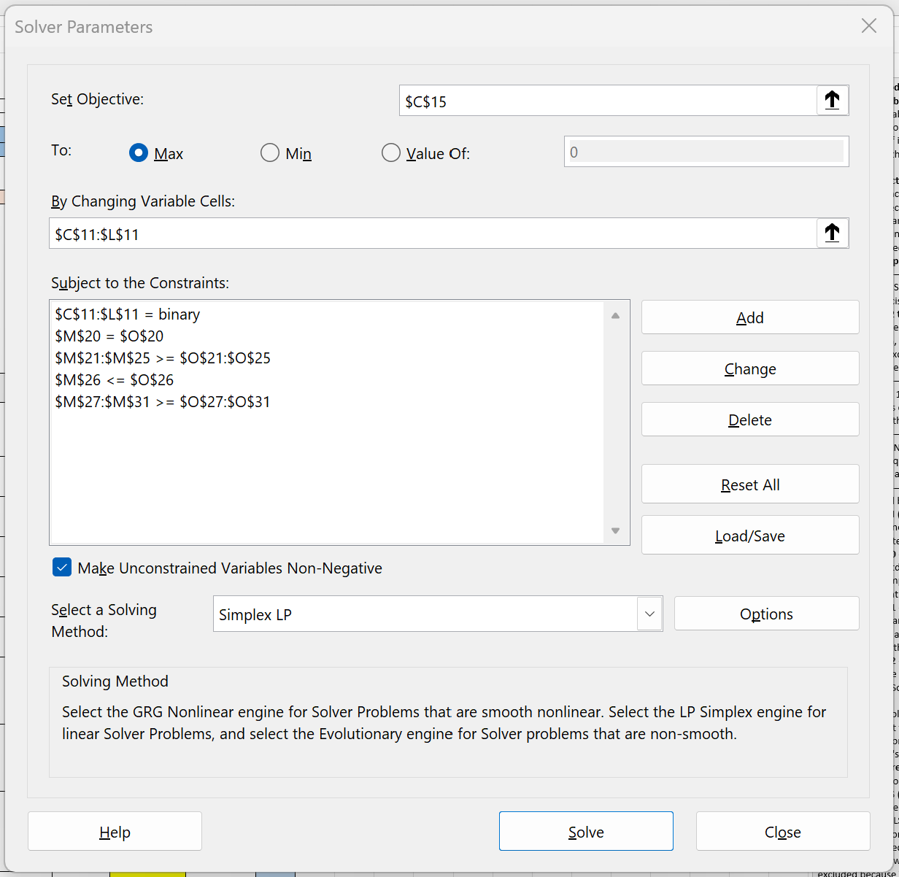
 | CONSTRAINTS | PME | COH | SGP | GMG | TLS | CAR | CBA | ANZ | ORG | WDS | LHS | relational operators | RHS
1 | A balanced portfolio of exactly 7 assets to be chosen out of the 10 available stocks. This ensures sufficient diversification while excluding the 3 least attractive assets. | 1 | 1 | 1 | 1 | 1 | 1 | 1 | 1 | 1 | 1 | 7 | = | 7
2 | All five investment sectors must be included. At least one stock from the Health Care sector (S1) must be selected. S1 contains PME and COH. | 1 | 1 |  |  |  |  |  |  |  |  | 2 | >= | 1
3 | All five investment sectors must be included. At least one stock from the Real Estate sector (S2) must be selected. S2 contains SGP and GMG. |  |  | 1 | 1 |  |  |  |  |  |  | 1 | >= | 1
4 | All five investment sectors must be included. At least one stock from the Communication Services sector (S3) must be selected. S3 contains TLS and CAR. |  |  |  |  | 1 | 1 |  |  |  |  | 1 | >= | 1
5 | All five investment sectors must be included. At least one stock from the Financials sector (S4) must be selected. S4 contains CBA and ANZ. |  |  |  |  |  |  | 1 | 1 |  |  | 2 | >= | 1
6 | All five investment sectors must be included. At least one stock from the Energy sector (S5) must be selected. S5 contains ORG and WDS. |  |  |  |  |  |  |  |  | 1 | 1 | 1 | >= | 1
7 | At most one of the assets can be in the riskiest group (R4). The total number of R4 assets selected must not exceed 1. R4 contains PME (std dev 11.24%) and GMG (std dev 8.55%). This limits exposure to the most volatile stocks. | 1 |  |  | 1 |  |  |  |  |  |  | 1 | <= | 1
8 | At least two assets must be in the least-risky group (R1). R1 contains TLS (std dev 3.11%) and ANZ (std dev 5.20%). Since R1 has exactly two stocks, this constraint requires both to be selected, ensuring a strong defensive foundation. |  |  |  |  | 1 |  |  | 1 |  |  | 2 | >= | 2
9 | An asset from R4 can be selected only if at least one asset from R3 is also selected. The number of R3 assets selected must be greater than or equal to the number of R4 assets selected. This ensures higher-risk investments are only included when moderate-high risk assets are also present. R3 count shown here. |  | 1 |  |  |  | 1 |  |  | 1 |  | 2 | >= | 1
 | Total number of R4 assets selected, used as the comparison value for constraint 9 above. R4 contains PME and GMG. | 1 |  |  | 1 |  |  |  |  |  |  | 1 | >= | 0
10 | At least one asset from the moderate-risk group (R2) must be selected. R2 contains SGP (std dev 6.76%), CBA (std dev 6.34%), and WDS (std dev 6.51%). This ensures the portfolio includes stable, moderate-volatility investments and is not composed entirely of low-risk and high-risk extremes. |  |  | 1 |  |  |  | 1 |  |  | 1 | 2 | >= | 1
11 | At least 3 assets must come from the two lowest risk groups (R1 and R2) combined. R1 contains TLS and ANZ, R2 contains SGP, CBA, and WDS. This ensures the portfolio is tilted towards stability and that the majority of selected assets have moderate or low volatility. |  |  | 1 |  | 1 |  | 1 | 1 |  | 1 | 4 | >= | 3

4.a NLP -Non linear modelling
NLP model

INPUTS
NOTES — NLP Model Explanation
1. Decision Variables
The decision variables (x₁ to x₁₀) represent the proportion of the portfolio allocated to each stock, taking continuous values between 0 and 1. Unlike the LP model, no sector or risk category constraints are imposed — the optimiser freely allocates funds to minimise risk.
2. Covariance Matrix
The 10×10 covariance matrix captures how each pair of stocks' returns move together. Positive covariance means stocks move in the same direction, negative means opposite. The diagonal values are each stock's individual variance. This matrix was calculated from the 48 monthly returns and is what makes the model nonlinear.
3. Portfolio Variance
Portfolio Variance = Σᵢ Σⱼ wᵢ × wⱼ × Cov(i,j). Each cell in the variance terms matrix equals wᵢ × wⱼ × Cov(i,j), and the total variance is the sum of all 100 cells. Portfolio standard deviation (risk) = square root of variance. This is based on Markowitz's Modern Portfolio Theory (1952).
4. Objective Function
Minimise portfolio standard deviation. Unlike LP and ILP which maximised return, NLP asks "what is the least risk I can take while still earning a minimum return?" The variance formula contains products of decision variables (wᵢ × wⱼ), making it nonlinear and requiring the GRG Nonlinear solver method.
5. Constraints
Only three constraints, as the assignment requires optimisation "without imposing any category or risk group constraints":
Constraint 1: Portfolio return ≥ 1.00% monthly. This target balances meaningful returns with flexibility to minimise risk.
Constraint 2: Total allocation = 100%. All funds must be fully invested.
Constraint 3: Non-negativity. No short selling allowed.
6. Results Interpretation
The optimal solution achieves a portfolio risk of 2.89% with a return of 1.00%. Five stocks received allocation: TLS (57.32%), ANZ (20.52%), ORG (10.83%), PME (8.89%), and COH (2.44%).
The portfolio risk of 2.89% is lower than any individual stock's risk (TLS, the safest, has 3.11%). This demonstrates the power of diversification — combining imperfectly correlated assets reduces overall risk below even the safest individual stock.
TLS and ANZ dominate (77.84% combined) because they have the lowest volatility. PME and ORG are included despite higher volatility because their higher returns are needed to meet the 1.00% target. The five excluded stocks either added too much risk or didn't help reduce portfolio variance.
7. Comparison with LP and ILP
LPILPNLPObjectiveMax returnMax returnMin riskReturn1.37%/month1.39%/asset1.00%/monthRiskNot optimisedNot optimised2.89%Stocks used7 of 107 of 105 of 10Highest allocationORG (25%)Equal (selected)TLS (57.32%)
The LP/ILP models produce higher-return but potentially riskier portfolios. The NLP model produces a safer but lower-return portfolio. Without diversification constraints, NLP over-concentrates in low-volatility stocks, showing why the LP model's sector constraints are valuable in practice.
 | Stock | PME | COH | SGP | GMG | TLS | CAR | CBA | ANZ | ORG | WDS
 | Mean | 3.58% | 0.97% | 0.82% | 0.95% | 0.50% | 0.79% | 1.17% | 0.81% | 1.87% | 0.23%
 | std deviation | 11.24% | 7.44% | 6.76% | 8.55% | 3.11% | 8.07% | 6.34% | 5.20% | 8.33% | 6.51%
 | Cov | PME | COH | SGP | GMG | TLS | CAR | CBA | ANZ | ORG | WDS
 | PME | 0.0124 | 0.0025 | 0.0024 | 0.0046 | 0.0005 | 0.0052 | 0.0035 | 0.0008 | 0.0014 | 0.0009
 | COH | 0.0025 | 0.0054 | 0.0020 | 0.0037 | 0.0002 | 0.0031 | 0.0017 | 0.0009 | 0.0015 | 0.0010
 | SGP | 0.0024 | 0.0020 | 0.0045 | 0.0030 | 0.0007 | 0.0029 | 0.0024 | 0.0020 | 0.0008 | 0.0003
 | GMG | 0.0046 | 0.0037 | 0.0030 | 0.0072 | 0.0003 | 0.0047 | 0.0031 | 0.0020 | 0.0027 | 0.0006
 | TLS | 0.0005 | 0.0002 | 0.0007 | 0.0003 | 0.0009 | 0.0002 | 0.0006 | 0.0002 | 0.0003 | 0.0005
 | CAR | 0.0052 | 0.0031 | 0.0029 | 0.0047 | 0.0002 | 0.0064 | 0.0025 | 0.0019 | 0.0029 | 0.0012
 | CBA | 0.0035 | 0.0017 | 0.0024 | 0.0031 | 0.0006 | 0.0025 | 0.0039 | 0.0018 | 0.0011 | 0.0008
 | ANZ | 0.0008 | 0.0009 | 0.0020 | 0.0020 | 0.0002 | 0.0019 | 0.0018 | 0.0026 | 0.0004 | 0.0010
 | ORG | 0.0014 | 0.0015 | 0.0008 | 0.0027 | 0.0003 | 0.0029 | 0.0011 | 0.0004 | 0.0068 | 0.0013
 | WDS | 0.0009 | 0.0010 | 0.0003 | 0.0006 | 0.0005 | 0.0012 | 0.0008 | 0.0010 | 0.0013 | 0.0041

DECISION VARIABLES /Sector

 |  | PME | COH | SGP | GMG | TLS | CAR | CBA | ANZ | ORG | WDS
 | Investment weights | 21.91% | 0.00% | 0.00% | 0.00% | 39.01% | 0.00% | 0.00% | 20.04% | 19.05% | 0.00%

CALCULATED VARIABLES
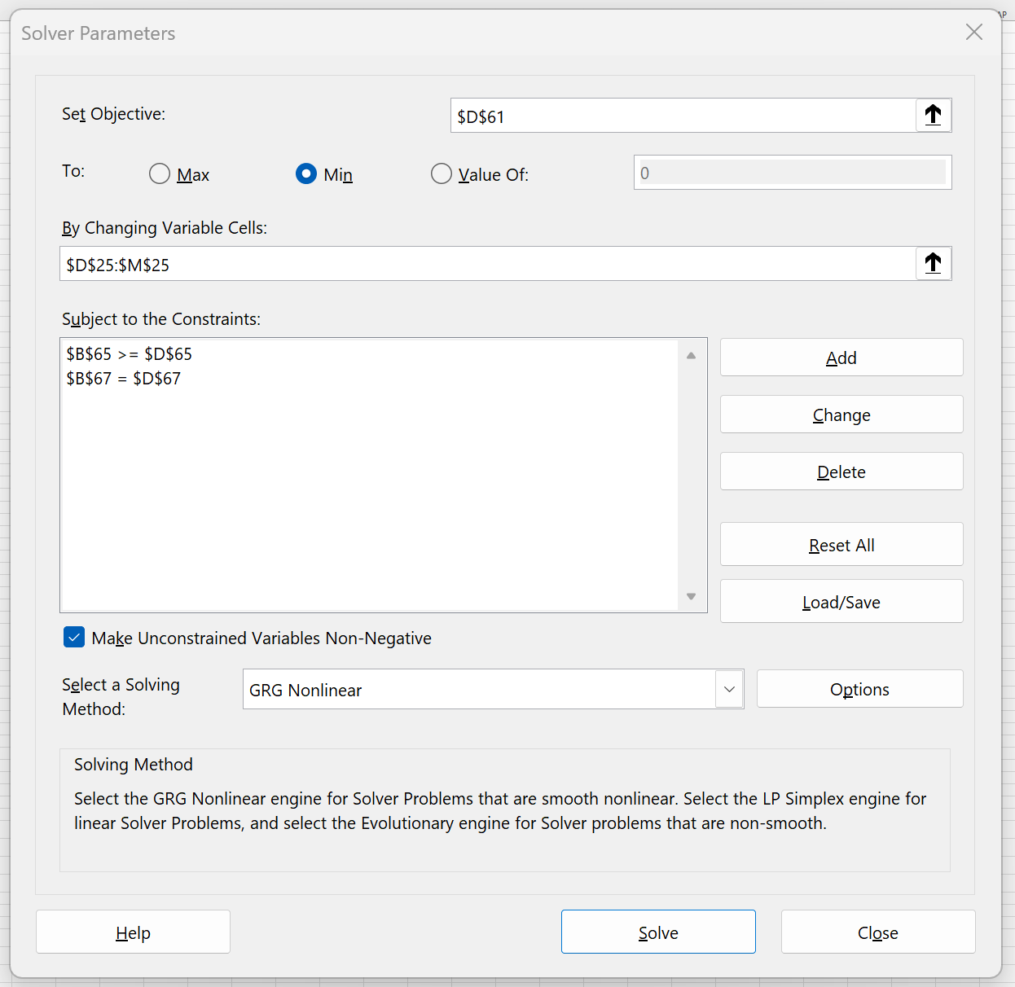
 |  | 21.91% | 0.00% | 0.00% | 0.00% | 39.01% | 0.00% | 0.00% | 20.04% | 19.05% | 0.00%
 | Covariance | PME | COH | SGP | GMG | TLS | CAR | CBA | ANZ | ORG | WDS
21.91% | PME | 0.0124 | 0.0025 | 0.0024 | 0.0046 | 0.0005 | 0.0052 | 0.0035 | 0.0008 | 0.0014 | 0.0009
0.00% | COH | 0.0025 | 0.0054 | 0.0020 | 0.0037 | 0.0002 | 0.0031 | 0.0017 | 0.0009 | 0.0015 | 0.0010
0.00% | SGP | 0.0024 | 0.0020 | 0.0045 | 0.0030 | 0.0007 | 0.0029 | 0.0024 | 0.0020 | 0.0008 | 0.0003
0.00% | GMG | 0.0046 | 0.0037 | 0.0030 | 0.0072 | 0.0003 | 0.0047 | 0.0031 | 0.0020 | 0.0027 | 0.0006
39.01% | TLS | 0.0005 | 0.0002 | 0.0007 | 0.0003 | 0.0009 | 0.0002 | 0.0006 | 0.0002 | 0.0003 | 0.0005
0.00% | CAR | 0.0052 | 0.0031 | 0.0029 | 0.0047 | 0.0002 | 0.0064 | 0.0025 | 0.0019 | 0.0029 | 0.0012
0.00% | CBA | 0.0035 | 0.0017 | 0.0024 | 0.0031 | 0.0006 | 0.0025 | 0.0039 | 0.0018 | 0.0011 | 0.0008
20.04% | ANZ | 0.0008 | 0.0009 | 0.0020 | 0.0020 | 0.0002 | 0.0019 | 0.0018 | 0.0026 | 0.0004 | 0.0010
19.05% | ORG | 0.0014 | 0.0015 | 0.0008 | 0.0027 | 0.0003 | 0.0029 | 0.0011 | 0.0004 | 0.0068 | 0.0013
0.00% | WDS | 0.0009 | 0.0010 | 0.0003 | 0.0006 | 0.0005 | 0.0012 | 0.0008 | 0.0010 | 0.0013 | 0.0041

 | Portfolio variance terms | PME | COH | SGP | GMG | TLS | CAR | CBA | ANZ | ORG | WDS
 | PME | 0.00059 | 0.00000 | 0.00000 | 0.00000 | 0.00004 | 0.00000 | 0.00000 | 0.00004 | 0.00006 | 0.00000
 | COH | 0.00000 | 0.00000 | 0.00000 | 0.00000 | 0.00000 | 0.00000 | 0.00000 | 0.00000 | 0.00000 | 0.00000
 | SGP | 0.00000 | 0.00000 | 0.00000 | 0.00000 | 0.00000 | 0.00000 | 0.00000 | 0.00000 | 0.00000 | 0.00000
 | GMG | 0.00000 | 0.00000 | 0.00000 | 0.00000 | 0.00000 | 0.00000 | 0.00000 | 0.00000 | 0.00000 | 0.00000
 | TLS | 0.00004 | 0.00000 | 0.00000 | 0.00000 | 0.00014 | 0.00000 | 0.00000 | 0.00001 | 0.00002 | 0.00000
 | CAR | 0.00000 | 0.00000 | 0.00000 | 0.00000 | 0.00000 | 0.00000 | 0.00000 | 0.00000 | 0.00000 | 0.00000
 | CBA | 0.00000 | 0.00000 | 0.00000 | 0.00000 | 0.00000 | 0.00000 | 0.00000 | 0.00000 | 0.00000 | 0.00000
 | ANZ | 0.00004 | 0.00000 | 0.00000 | 0.00000 | 0.00001 | 0.00000 | 0.00000 | 0.00011 | 0.00002 | 0.00000
 | ORG | 0.00006 | 0.00000 | 0.00000 | 0.00000 | 0.00002 | 0.00000 | 0.00000 | 0.00002 | 0.00025 | 0.00000
 | WDS | 0.00000 | 0.00000 | 0.00000 | 0.00000 | 0.00000 | 0.00000 | 0.00000 | 0.00000 | 0.00000 | 0.00000

 | Average portfolio return | 1.50%

OBJECTIVE FUNCTION
Standard deviation of portfolio |  | 3.83%

CONSTRAINTS
LHS |  | RHS
1.50% | ≥ | 1.5%

100% | = | 100%

